TestSummary
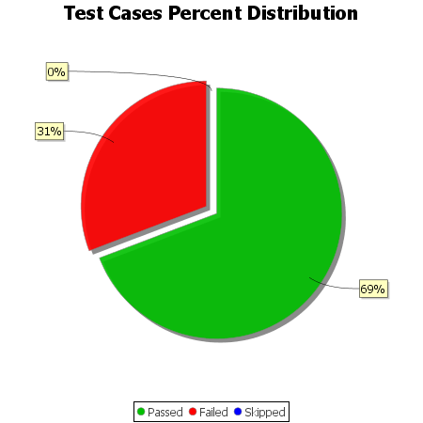
Total Test Cases | 26
Test Cases Passed | 18
Test Cases Failed | 8
Test Cases Skipped | 0

